WT A0100
University | Ecole Centrale de Lyon |  |  | Back to BOM |  |  |  |  | Car # | 81 |  | Asm Cost | $175.23
System | Wheels & Tires |  |  |  |  |  |  |  |  |  |  | Qty | 4
Assembly | Wheel Assembly |  |  |  |  |  |  |  | FileLink1
P/N Base | WT A0100 |  |  |  |  |  |  |  | FileLink2 |  |  | Extended Cost | $700.92
Suffix | AA |  |  |  |  |  |  |  | FileLink3
Details | Complete Wheel Assembly

ItemOrder | Material | Use | UnitCost | Size1 | Unit1 | Size2 | Unit2 | Area Name | Area | Length | Density | Quantity | Sub Total
10 | Wheel, 13", 1 Piece OZ, Aluminum | Rim | $80.00 |  | unit |  |  |  |  |  |  | 1 | $80.00
20 | Tire, Hoosier, R25B, 13"-20.5 x 7.0 | Tire | $85.00 |  | unit |  |  |  |  |  |  | 1 | $85.00
30 | Valve Stem (and Tire Inflation) |  | $1.00 |  | unit |  |  |  |  |  |  | 1 | $1.00
40 | Wheel Weights (and Balancing) | Balancing and set up the wheel | $4.00 |  | unit |  |  |  |  |  |  | 1 | $4.00
 |  |  |  |  |  |  |  |  |  |  |  | Sub Total | $170.00
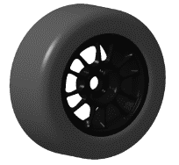
ItemOrder | Process | Use | UnitCost | Unit | Quantity | Multiplier | Mult. Val. | Sub Total
10 | Assemble, 5kg, Line-on-Line | Fix Wheel on Hubs | $0.63 | unit | 1 |  | 1 | $0.63
20 | Ratchet <= 25.4 mm | Tighten Lug Nuts | $0.75 | unit | 4 |  | 1 | $3.00
 |  |  |  |  |  |  | Sub Total | $3.63

ItemOrder | Fastener | Use | UnitCost | Size1 | Unit1 | Size2 | Unit2 | Quantity | Sub Total
10 | Nut, Lug | Fix Wheel on Hubs | $0.40 |  | cm |  |  | 4 | $1.60
 |  |  |  |  |  |  |  | Sub Total | $1.60

WT 02001
University | Ecole Centrale de Lyon |  |  |  |  | Back to BOM |  |  | Car # | 81 |  | Part Cost | $64.16
System | Wheels & Tires |  | FileLink1 | Drawing |  |  |  |  |  |  |  | Qty | 1
Assembly | Front Hubs |  | FileLink2 |  |  |  |  |  | FileLink1
Part | Front Hub |  | FileLink3 |  |  |  |  |  | FileLink2 |  |  | Extended Cost | $64.16
P/N Base | WT 02001 |  |  |  |  |  |  |  | FileLink3
Suffix | AA
Details | Main part of the assembly

ItemOrder | Material | Use | UnitCost | Size1 | Unit1 | Size2 | Unit2 | Area Name | Area | Length | Density | Quantity | Sub Total
10 | Aluminium, Premium |  | $4.20 | 3.27 | kg |  |  | round area, 130mm diameter | 0.013 | 0.091 | 2,712 | 1.00 | $13.75
 |  |  |  |  |  |  |  |  |  |  |  | Sub Total | $13.75

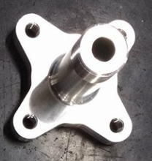
ItemOrder | Process | Use | UnitCost | Unit | Quantity | Multiplier | Mult. Val. | Sub Total
10 | Machining Setup, Install and Remove | Setup for turning | $1.30 | Unit | 1 |  | 1 | $1.30
20 | Machining | Turning | $0.04 | cm^3 | 930.6 | Material - Aluminium | 1 | $37.22
30 | Machining Setup, Change | Change the turning setup | $0.65 | Unit | 1 |  | 1 | $0.65
40 | Machining | Turning | $0.04 | cm^3 | 63.5 | Material - Aluminium | 1 | $2.54
50 | Machining Setup, Install and Remove |  | $1.30 | Unit | 1 |  | 1 | $1.30
60 | Machining | Milling | $0.04 | cm^3 | 149 | Material - Aluminium | 1 | $5.96
70 | Machining Setup, Change |  | $0.65 | Unit | 1 |  | 1 | $0.65
80 | Machining | Milling | $0.04 | cm^3 | 0.336 | Material - Aluminium | 1 | $0.01
90 | Threading, Internal (machining) | For wheel studs | $0.10 | cm | 6 | Material - Aluminium | 1 | $0.60
100 | Threading, External (machining) | For locknut | $0.10 | cm | 1.7 | Material - Aluminium | 1 | $0.17
 |  |  |  |  |  |  | Sub Total | $50.41

WT 02002
University | Ecole Centrale de Lyon |  |  |  |  | Back to BOM |  |  | Car # | 81 |  | Part Cost | $2.62
System | Wheels & Tires |  | FileLink1 | Drawing |  |  |  |  |  |  |  | Qty | 1
Assembly | Front Hubs |  | FileLink2 |  |  |  |  |  | FileLink1
Part | Wheel bearing spacer |  | FileLink3 |  |  |  |  |  | FileLink2 |  |  | Extended Cost | $2.62
P/N Base | WT 02002 |  |  |  |  |  |  |  | FileLink3
Suffix | AA
Details | Part to let a space beetween the hub and the first bearing


ItemOrder | Material | Use | UnitCost | Size1 | Unit1 | Size2 | Unit2 | Area Name | Area | Length | Density | Quantity | Sub Total
10 | Aluminium, Premium |  | $4.20 | 0.06 | kg |  |  | round area, 55mm diameter | 0.002 | 0.009 | 2,712 | 1.00 | $0.24
 |  |  |  |  |  |  |  |  |  |  |  | Sub Total | $0.24

ItemOrder | Process | Use | UnitCost | Unit | Quantity | Multiplier | Mult. Val. | Sub Total
10 | Machining Setup, Install and Remove | Setup for turning | $1.30 | Unit | 1 |  | 1 | $1.30
20 | Machining | Turning | $0.04 | cm^3 | 9.2 | Material - Aluminium | 1 | $0.37
30 | Machining Setup, Change | Change the turning setup | $0.65 | Unit | 1 |  | 1 | $0.65
40 | Machining | Turning | $0.04 | cm^3 | 1.5 | Material - Aluminium | 1 | $0.06
 |  |  |  |  |  |  | Sub Total | $2.38

dWT 02002
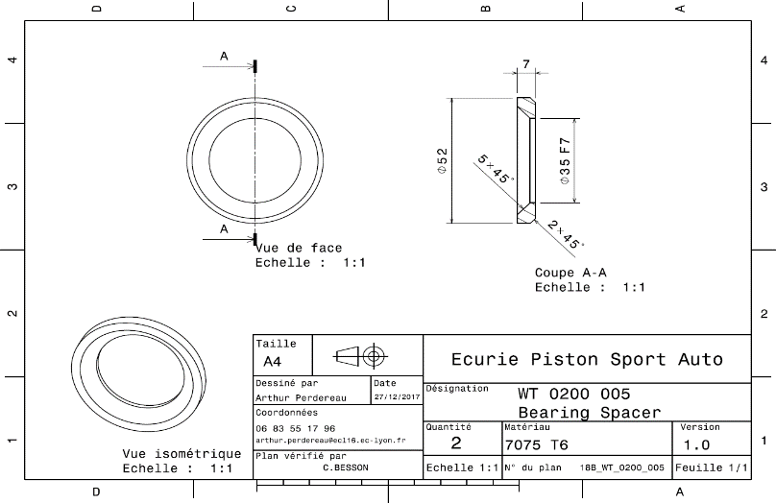
Drawing part : | WT_02002

WT 02003
University | Ecole Centrale de Lyon |  |  |  |  | Back to BOM |  |  | Car # | 81 |  | Part Cost | $20.68
System | Wheels & Tires |  | FileLink1 | Drawing |  |  |  |  |  |  |  | Qty | 1
Assembly | Front Hubs |  | FileLink2 |  |  |  |  |  | FileLink1
Part | Front Wheel Spacer |  | FileLink3 |  |  |  |  |  | FileLink2 |  |  | Extended Cost | $20.68
P/N Base | WT 02003 |  |  |  |  |  |  |  | FileLink3
Suffix | AA
Details | Part to position the wheel on the good position relative to the hub and upright assembly

ItemOrder | Material | Use | UnitCost | Size1 | Unit1 | Size2 | Unit2 | Area Name | Area | Length | Density | Quantity | Sub Total
10 | Aluminium, Premium |  | $4.20 | 0.86 | kg |  |  | round area, 130mm diameter | 0.013 | 0.024 | 2,712 | 1.00 | $3.63
 |  |  |  |  |  |  |  |  |  |  |  | Sub Total | $3.63
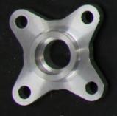
ItemOrder | Process | Use | UnitCost | Unit | Quantity | Multiplier | Mult. Val. | Sub Total
10 | Machining Setup, Install and Remove | Setup for turning | $1.30 | Unit | 1 |  | 1 | $1.30
20 | Machining | Turning | $0.04 | cm^3 | 112 | Material - Aluminium | 1 | $4.48
30 | Machining Setup, Change | Change the turning setup | $0.65 | Unit | 1 |  | 1 | $0.65
40 | Machining | Turning | $0.04 | cm^3 | 84 | Material - Aluminium | 1 | $3.36
50 | Machining Setup, Install and Remove |  | $1.30 | Unit | 1 |  | 1 | $1.30
60 | Machining | Milling | $0.04 | cm^3 | 149 | Material - Aluminium | 1 | $5.96
 |  |  |  |  |  |  | Sub Total | $17.05

dWT 02003
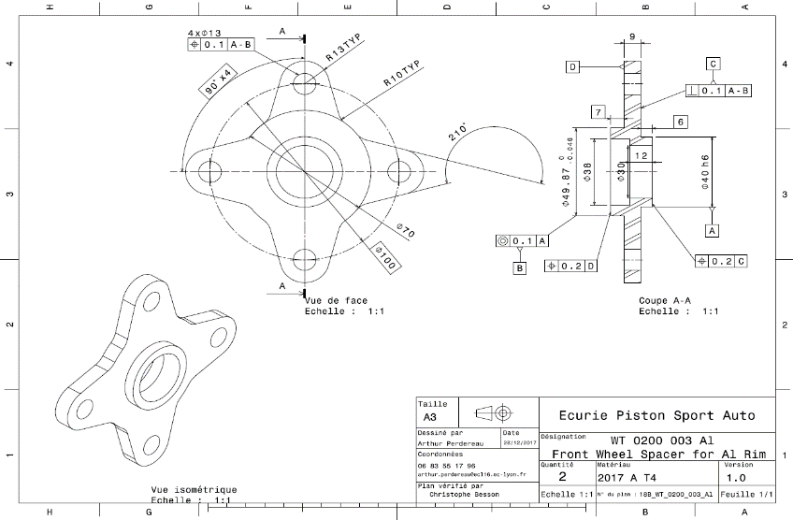
Drawing part : | WT_02003

WT 02004
University | Ecole Centrale de Lyon |  |  |  |  | Back to BOM |  |  | Car # | 81 |  | Part Cost | $0.95
System | Wheels & Tires |  | FileLink1 | Drawing |  |  |  |  |  |  |  | Qty | 1
Assembly | Front Hubs |  | FileLink2 |  |  |  |  |  | FileLink1
Part | Speed sensor spacer |  | FileLink3 |  |  |  |  |  | FileLink2 |  |  | Extended Cost | $0.95
P/N Base | WT 02004 |  |  |  |  |  |  |  | FileLink3
Suffix | AA
Details | Part to avoid the speed sensor disc to interfere with the Upright


ItemOrder | Material | Use | UnitCost | Size1 | Unit1 | Size2 | Unit2 | Area Name | Area | Length | Density | Quantity | Sub Total
10 | Aluminum, Normal |  | $4.20 | 0.01 | kg |  |  | Square area 45x45mm | 0.002 | 0.002 | 2,712 | 1.00 | $0.05
 |  |  |  |  |  |  |  |  |  |  |  | Sub Total | $0.05

ItemOrder | Process | Use | UnitCost | Unit | Quantity | Multiplier | Mult. Val. | Sub Total
10 | Machining Setup, Install and Remove | Setup for turning | $1.30 | Unit | 1 | one setup for 2 pieces | 0.5 | $0.65
20 | Laser cut |  | $0.01 | cm | 25.4 |  | 1 | $0.25
 |  |  |  |  |  |  | Sub Total | $0.90

dWT 02004
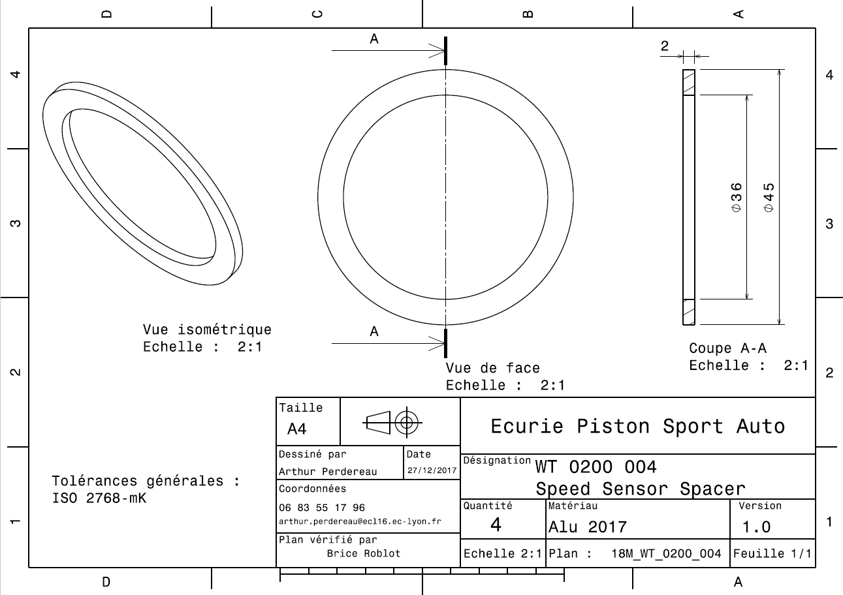
Drawing part : | WT_02004

WT 02005
University | Ecole Centrale de Lyon |  |  |  |  | Back to BOM |  |  | Car # | 81 |  | Part Cost | $3.97
System | Wheels & Tires |  | FileLink1 | Drawing |  |  |  |  |  |  |  | Qty | 1
Assembly | Front Hubs |  | FileLink2 |  |  |  |  |  | FileLink1
Part | Speed Sensor Disc |  | FileLink3 |  |  |  |  |  | FileLink2 |  |  | Extended Cost | $3.97
P/N Base | WT 02005 |  |  |  |  |  |  |  | FileLink3
Suffix | AA
Details | Disc use in combination with a sensor to obtain the speed of a wheel

ItemOrder | Material | Use | UnitCost | Size1 | Unit1 | Size2 | Unit2 | Area Name | Area | Length | Density | Quantity | Sub Total
10 | Steel, Mild |  | $2.25 | 0.20 | kg |  |  | rectangular area, 160mm*160mm | 0.026 | 0.001 | 7,850 | 1.00 | $0.45
 |  |  |  |  |  |  |  |  |  |  |  | Sub Total | $0.45

ItemOrder | Process | Use | UnitCost | Unit | Quantity | Multiplier | Mult. Val. | Sub Total
10 | Machining Setup, Install and Remove | Setup for turning | $1.30 | Unit | 1 | one setup for 2 pieces | 0.5 | $0.65 | 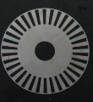
20 | Laser cut |  | $0.01 | cm | 286.8 |  | 1 | $2.87
 |  |  |  |  |  |  | Sub Total | $3.52

dWT 02005
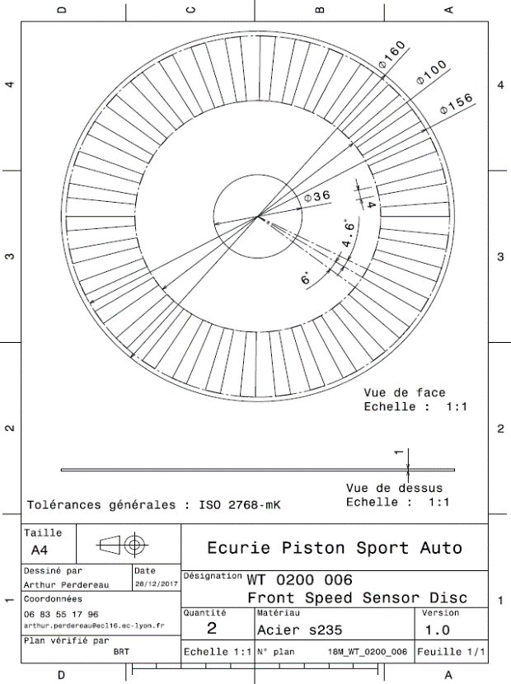
Drawing part : | WT_02005

WT 03001
University | Ecole Centrale de Lyon |  |  |  |  | Back to BOM |  |  | Car # | 81 |  | Part Cost | $52.73
System | Wheels & Tires |  | FileLink1 | Drawing |  |  |  |  |  |  |  | Qty | 1
Assembly | Rear Hubs |  | FileLink2 |  |  |  |  |  | FileLink1
Part | Rear Hub |  | FileLink3 |  |  |  |  |  | FileLink2 |  |  | Extended Cost | $52.73
P/N Base | WT 03001 |  |  |  |  |  |  |  | FileLink3
Suffix | AA
Details | Main part of the assembly

ItemOrder | Material | Use | UnitCost | Size1 | Unit1 | Size2 | Unit2 | Area Name | Area | Length | Density | Quantity | Sub Total
10 | Aluminium, Premium |  | $4.20 | 2.87 | kg |  |  | round area, 130mm diameter | 0.013 | 0.080 | 2,712 | 1.00 | $12.06
 |  |  |  |  |  |  |  |  |  |  |  | Sub Total | $12.06

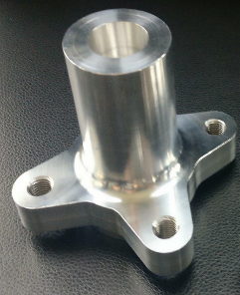
ItemOrder | Process | Use | UnitCost | Unit | Quantity | Multiplier | Mult. Val. | Sub Total
10 | Machining Setup, Install and Remove | Setup for turning | $1.30 | Unit | 1 |  | 1 | $1.30
20 | Machining | Turning | $0.04 | cm^3 | 652.3 | Material - Aluminium | 1 | $26.09
30 | Machining Setup, Change | Change the turning setup | $0.65 | Unit | 1 |  | 1 | $0.65
40 | Machining | Turning | $0.04 | cm^3 | 63.5 | Material - Aluminium | 1 | $2.54
50 | Machining Setup, Install and Remove |  | $1.30 | Unit | 1 |  | 1 | $1.30
60 | Machining | Milling | $0.04 | cm^3 | 149 | Material - Aluminium | 1 | $5.96
70 | Machining Setup, Change |  | $0.65 | Unit | 1 |  | 1 | $0.65
80 | Threading, Internal (machining) | For wheel studs | $0.10 | cm | 6 | Material - Aluminium | 1 | $0.60
100 | EDM - Wire | For tripod housing | $0.20 | cm | 7.9 | Material - Aluminium | 1 | $1.58
 |  |  |  |  |  |  | Sub Total | $40.67

dWT 03001
Drawing part : | WT_03001
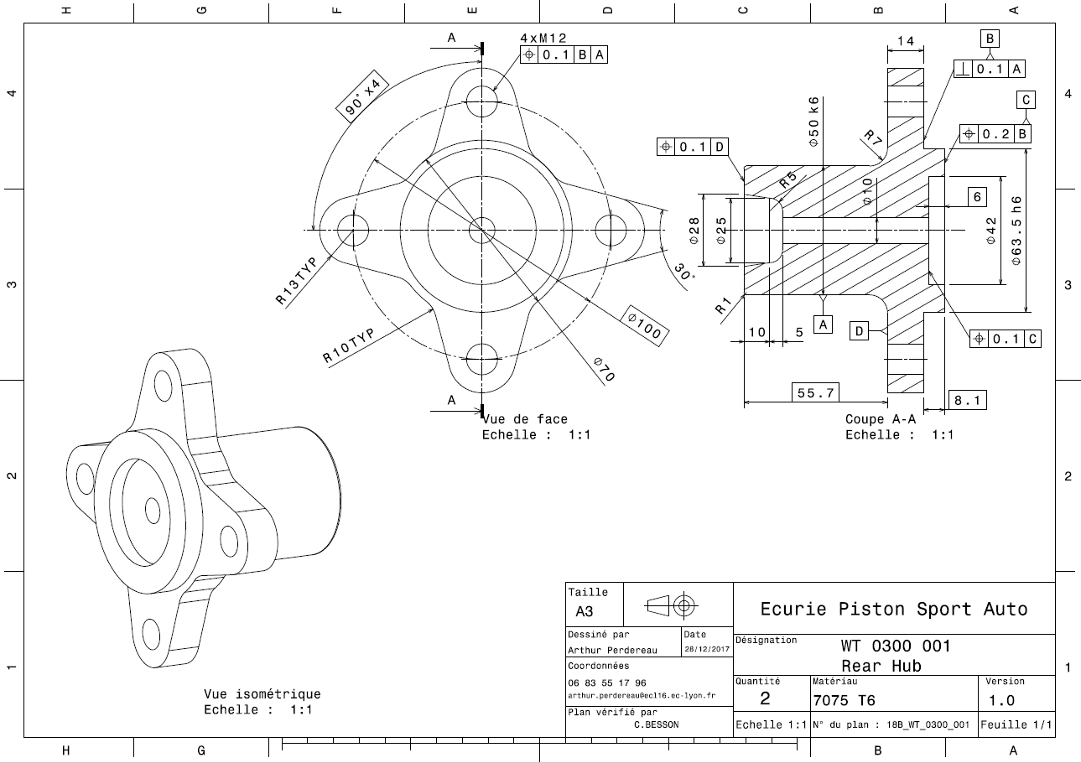

Comment : Drawing before the EDM process for spline at the center

WT 03002
University | Ecole Centrale de Lyon |  |  |  |  | Back to BOM |  |  | Car # | 81 |  | Part Cost | $3.97
System | Wheels & Tires |  | FileLink1 | Drawing |  |  |  |  |  |  |  | Qty | 1
Assembly | Rear Hubs |  | FileLink2 |  |  |  |  |  | FileLink1
Part | Wheel bearing spacer |  | FileLink3 |  |  |  |  |  | FileLink2 |  |  | Extended Cost | $3.97
P/N Base | WT 03002 |  |  |  |  |  |  |  | FileLink3
Suffix | AA
Details | Part to let a space beetween the hub and the first bearing

ItemOrder | Material | Use | UnitCost | Size1 | Unit1 | Size2 | Unit2 | Area Name | Area | Length | Density | Quantity | Sub Total
10 | Aluminium, Premium |  | $4.20 | 0.16 | kg |  |  | round area, 55mm diameter | 0.004 | 0.014 | 2,712 | 1.00 | $0.67
 |  |  |  |  |  |  |  |  |  |  |  | Sub Total | $0.67
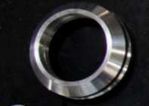
ItemOrder | Process | Use | UnitCost | Unit | Quantity | Multiplier | Mult. Val. | Sub Total
10 | Machining Setup, Install and Remove | Setup for turning | $1.30 | Unit | 1 |  | 1 | $1.30
20 | Machining | Turning | $0.04 | cm^3 | 28.3 | Material - Aluminium | 1 | $1.13
30 | Machining Setup, Change | Change the turning setup | $0.65 | Unit | 1 |  | 1 | $0.65
40 | Machining | Turning | $0.04 | cm^3 | 5.5 | Material - Aluminium | 1 | $0.22
 |  |  |  |  |  |  | Sub Total | $3.30

dWT 03002
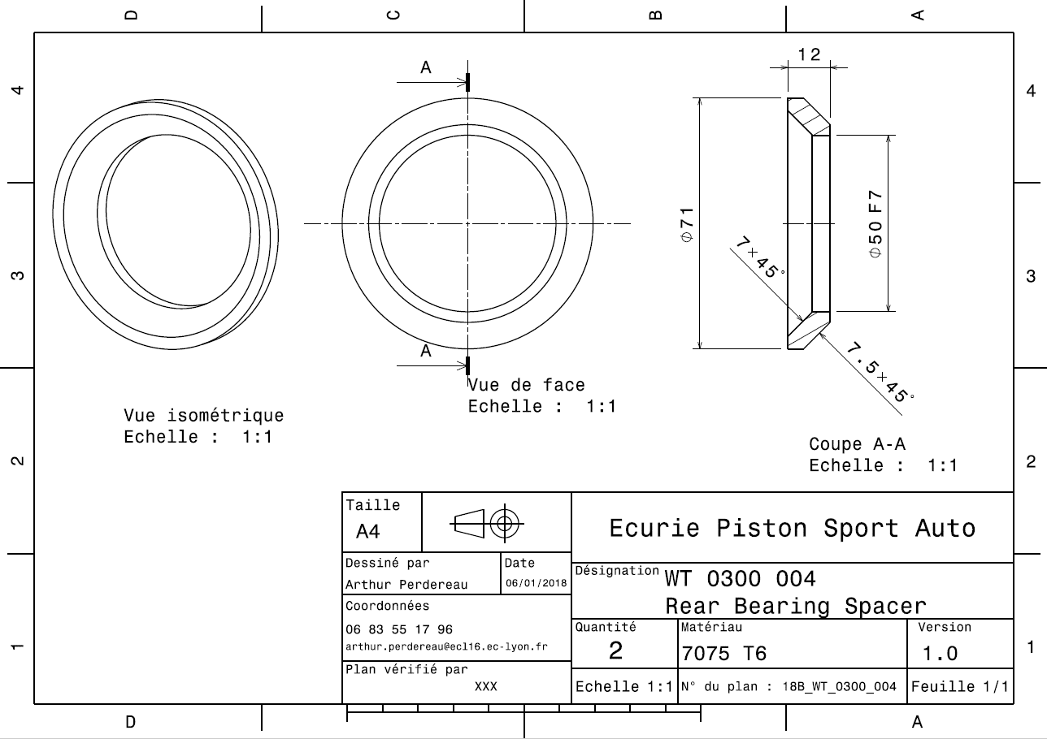
Drawing part : | WT_03002

WT 03003
University | Ecole Centrale de Lyon |  |  |  |  | Back to BOM |  |  | Car # | 81 |  | Part Cost | $22.32
System | Wheels & Tires |  | FileLink1 | Drawing |  |  |  |  |  |  |  | Qty | 1
Assembly | Rear Hubs |  | FileLink2 |  |  |  |  |  | FileLink1
Part | Rear Wheel Spacer |  | FileLink3 |  |  |  |  |  | FileLink2 |  |  | Extended Cost | $22.32
P/N Base | WT 03003 |  |  |  |  |  |  |  | FileLink3
Suffix | AA
Details | Part to position the wheel on the good position relative to the hub and upright assembly

ItemOrder | Material | Use | UnitCost | Size1 | Unit1 | Size2 | Unit2 | Area Name | Area | Length | Density | Quantity | Sub Total
10 | Aluminium, Premium |  | $4.20 | 0.86 | kg |  |  | round area, 130mm diameter | 0.013 | 0.024 | 2,712 | 1.00 | $3.63
 |  |  |  |  |  |  |  |  |  |  |  | Sub Total | $3.63
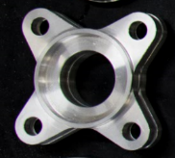
ItemOrder | Process | Use | UnitCost | Unit | Quantity | Multiplier | Mult. Val. | Sub Total
10 | Machining Setup, Install and Remove | Setup for turning | $1.30 | Unit | 1 |  | 1 | $1.30
20 | Machining | Turning | $0.04 | cm^3 | 135 | Material - Aluminium | 1 | $5.40
30 | Machining Setup, Change | Change the turning setup | $0.65 | Unit | 1 |  | 1 | $0.65
40 | Machining | Turning | $0.04 | cm^3 | 102 | Material - Aluminium | 1 | $4.08
50 | Machining Setup, Install and Remove |  | $1.30 | Unit | 1 |  | 1 | $1.30
60 | Machining | Milling | $0.04 | cm^3 | 149 | Material - Aluminium | 1 | $5.96
 |  |  |  |  |  |  | Sub Total | $18.69

dWT 03003
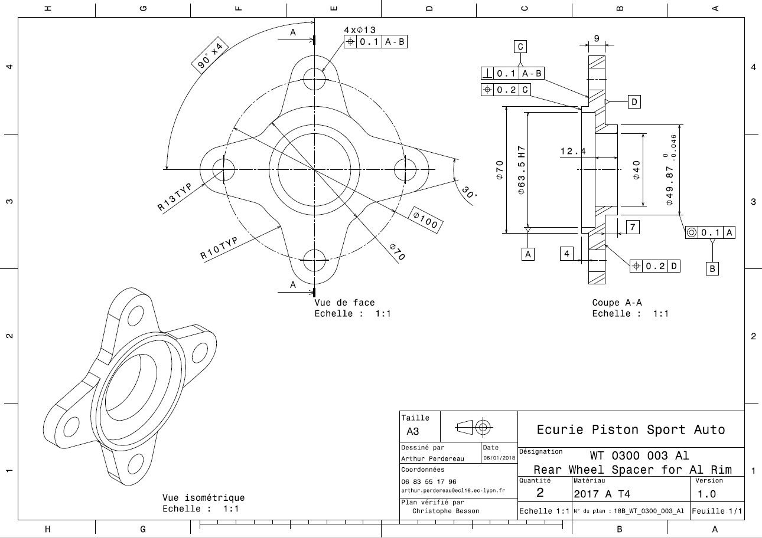
Drawing part : | WT_03003

WT 03004
University | Ecole Centrale de Lyon |  |  |  |  | Back to BOM |  |  | Car # | 81 |  | Part Cost | $3.90
System | Wheels & Tires |  | FileLink1 | Drawing |  |  |  |  |  |  |  | Qty | 1
Assembly | Rear Hubs |  | FileLink2 |  |  |  |  |  | FileLink1
Part | Tripod housing spacer |  | FileLink3 |  |  |  |  |  | FileLink2 |  |  | Extended Cost | $3.90
P/N Base | WT 03004 |  |  |  |  |  |  |  | FileLink3
Suffix | AA
Details | Part to allow the tripod housing to be used as locknut to prestress the bearings. Also used to separate the speedsensor disc from the upright

ItemOrder | Material | Use | UnitCost | Size1 | Unit1 | Size2 | Unit2 | Area Name | Area | Length | Density | Quantity | Sub Total
10 | Aluminium, Premium |  | $4.20 | 0.16 | kg |  |  | round area, 130mm diameter | 0.003 | 0.022 | 2,712 | 1.00 | $0.66
 |  |  |  |  |  |  |  |  |  |  |  | Sub Total | $0.66
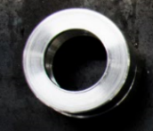
ItemOrder | Process | Use | UnitCost | Unit | Quantity | Multiplier | Mult. Val. | Sub Total
10 | Machining Setup, Install and Remove | Setup for turning | $1.30 | Unit | 1 |  | 1 | $1.30
20 | Machining | Turning | $0.04 | cm^3 | 27.7 | Material - Aluminium | 1 | $1.11
30 | Machining Setup, Change | Change the turning setup | $0.65 | Unit | 1 |  | 1 | $0.65
40 | Machining | Turning | $0.04 | cm^3 | 4.6 | Material - Aluminium | 1 | $0.18
 |  |  |  |  |  |  | Sub Total | $3.24

dWT 03004
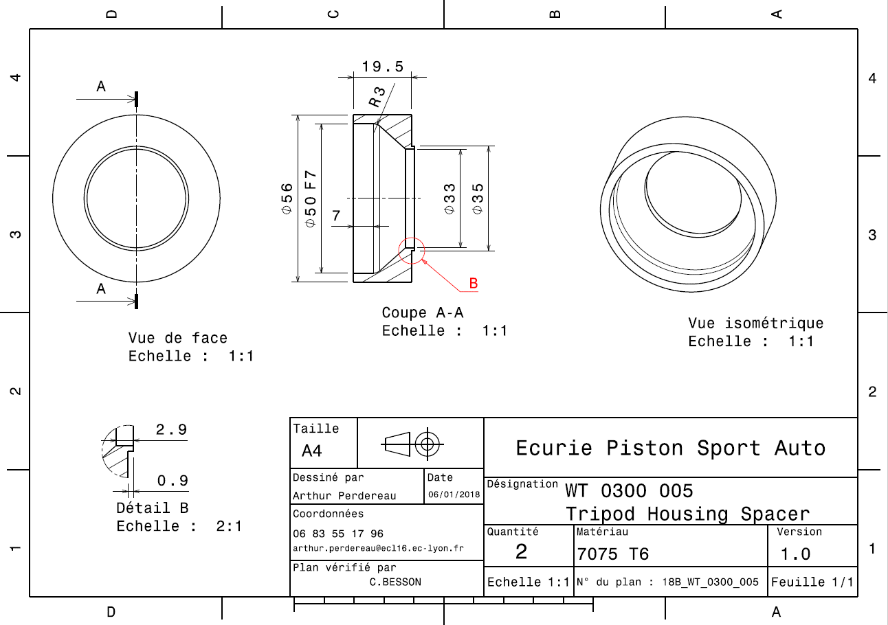
Drawing part : | WT_03004

WT 03005
University | Ecole Centrale de Lyon |  |  |  |  | Back to BOM |  |  | Car # | 81 |  | Part Cost | $3.23
System | Wheels & Tires |  | FileLink1 | Drawing |  |  |  |  |  |  |  | Qty | 1
Assembly | Rear Hubs |  | FileLink2 |  |  |  |  |  | FileLink1
Part | Speed Sensor Disc |  | FileLink3 |  |  |  |  |  | FileLink2 |  |  | Extended Cost | $3.23
P/N Base | WT 03005 |  |  |  |  |  |  |  | FileLink3
Suffix | AA
Details | Disc use in combination with a sensor to obtain the speed of a wheel

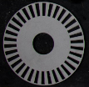
ItemOrder | Material | Use | UnitCost | Size1 | Unit1 | Size2 | Unit2 | Area Name | Area | Length | Density | Quantity | Sub Total
10 | Steel, Mild |  | $2.25 | 0.15 | kg |  |  | rectangular area, 160mm*160mm | 0.020 | 0.001 | 7,850 | 1.00 | $0.35
 |  |  |  |  |  |  |  |  |  |  |  | Sub Total | $0.35

ItemOrder | Process | Use | UnitCost | Unit | Quantity | Multiplier | Mult. Val. | Sub Total
10 | Machining Setup, Install and Remove | Setup for turning | $1.30 | Unit | 1 | one setup for 2 pieces | 0.5 | $0.65
20 | Laser cut |  | $0.01 | cm | 223 |  | 1 | $2.23
 |  |  |  |  |  |  | Sub Total | $2.88

dWT 03005
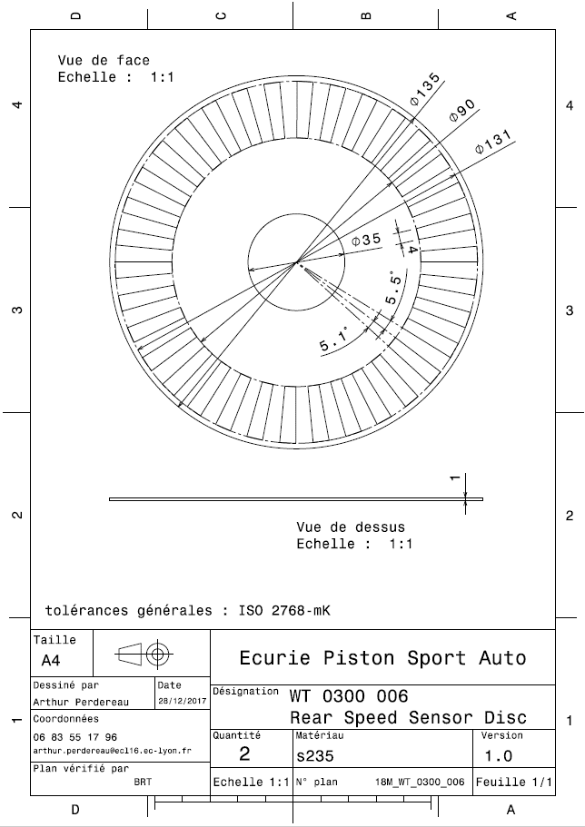
Drawing part : | WT_03005

